saucedemo issues
Defect ID: | 1
Defect Title: | Error message in invalid login is partially hidden in UI
Defect Description: | When a user enters invalid username and passwords an error message appears. However, the text in the message is not fully visible due to a UI display issue, making it difficult for users to read
Steps to Reproduce: | 01: Navigate to https://www.saucedemo.com/ 02: Locate and input username(-----------) 03: Locate and input password field (----------) 04: Click on Login button 05: Observe the displayed error message
Expected result: | The error message should be clearly visible and readable by the user without any layout issues
Actual result: | The error message appears partially hidden or cut off within the popup. The top and bottom parts of the text are not fully visible.
Attachements: | 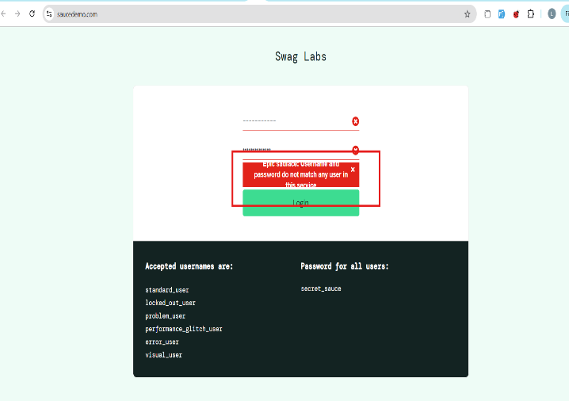
Severity: | Medium
Priority: | Low
Reported By: | Liana Stepanyan
Reported on: | 21/7/2025
Status: | New
Assigned to: | Developer Name
Environement: | Chrome browser

Defect ID: | 2
Defect Title: | Reset App State deleted added items from Cart but instead Add to Cart button still appears Remove button on Products
Defect Description: | When a user added items to their Cart then Reset the App, the Cart section becoms empty. However, instead the Products Add to Cart button still visible Remove button
Steps to Reproduce: | 01: Locate to https://www.saucedemo.com/ 02: Input username (standard_user) 03: Input password (ecret_sauce) 04: Click on Login button 05: Add to Cart some products 06: Click on Hamburger menu Reset the App button 07: Observe the Produscts section view 08: Obsev Your Cart section view
Expected result: | 01: Your Cart section should not have any products 02: Products section on any product should be visible Add to Cart button
Actual result: | 01: Your Cart section is empty. However, on the Products instead Add to Cart button still visible Remove button
Attachements: | 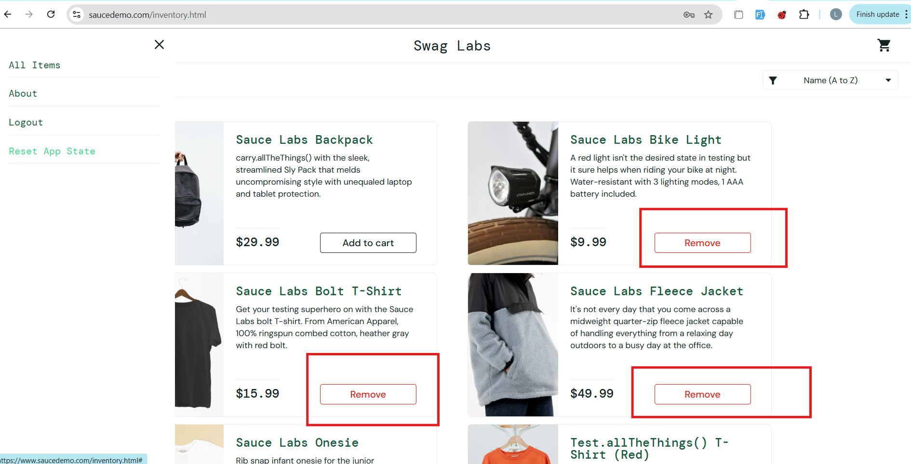
Severity: | High
Priority: | Medium
Reported By: | Liana Stepanyan
Reported on: | 2025-07-21
Status: | New
Assigned to: | Developer Name
Environement: | Chrome browser

Defect ID: | 3
Defect Title: | The system completed order when there is no selected item
Defect Description: | When a user not selected any item and the item cost is 0$, the user can complete order
Steps to Reproduce: | 01: Locate to https://www.saucedemo.com/ 02: Input username (standard_user) 03: Input password (ecret_sauce) 04: Click on Login button 05: Click on Your Cart section 06: Click on Checkout section 07: Fill Name, Surname and Zip fileds and click on Continue button 08: Click on Finish button 09: Observe the message
Expected result: | The Finish button should not be active for continue and user should see any error message that the cart is empty
Actual result: | A user can succesfully make order without choosing and adding any item to the Your Cart section with 0$ order
Attachements:
Severity: | High
Priority: | High
Reported By: | Liana Stepanyan
Reported on: | 2025-07-21
Status: | New
Assigned to: | Developer Name
Environement: | Chrome browser

Defect ID: | 4
Defect Title: | Sorting in the Product page is not saved when come back from Your cart page
Defect Description: | When a user clicks on "Continue Shopping" in the cart page, they are always taken to the general inventory page, even if they came from a specific filtered or sorted list. This disrupts user experience.
Steps to Reproduce: | 01: Locate to https://www.saucedemo.com/ 02: Input username (standard_user) 03: Input password (ecret_sauce) 04: Click on Login button 05: Sort products by "Price (high to low)" 06: Add a product to the Cart 07: Go to the Cart 08: Click on "Continue shopping" button
Expected result: | User should return to the sorted product list ("Price: High to Low") or filtered category they last interacted with.
Actual result: | User is redirected to the default unsorted inventory page. Filter/sort preferences are lost.
Attachements:
Severity: | Low
Priority: | Medium
Reported By: | Liana Stepanyan
Reported on: | 2025-07-21
Status: | New
Assigned to: | Developer Name
Environement: | Chrome Browser

Defect ID: | 5
Defect Title: | No confirmation or notification shown after removing an item from the cart
Defect Description: | When the user removes an item from the cart, the action happens instantly without any confirmation message, undo option, or visual feedback. This creates confusion, especially when users accidentally click the "Remove" button and there is no way to revert it.
Steps to Reproduce: | 01: Login to https://www.saucedemo.com/ 02: Add 1 or more items to the Cart 03: Go to the Cart page 04: Click on "Remove" next to the any product
Expected result: | A small confirmation or success message should appear like “Item removed” or an option to undo the action (especially for better UX)
Actual result: | Items disappears immediately from the cart without without any message or feedback
Attachements:
Severity: | Medium
Priority: | Medium
Reported By: | Liana Stepanyan
Reported on: | 2025-07-21
Status: | New
Assigned to: | Developer Name
Environement: | Chrome Browser

